Wind Analysis - M&B
WIND LOAD ANALYSIS

 |  |  |  |  |  | Reference: | ASCE | 7-10
 |  |  |  |  |  | Section | Eq/Fig/Table/Notes
 | 1. BUILDING INFORMATION RELATED TO WIND LOAD ANALYSIS |  |  |  |  | 26/27/28

 | Mean roof height |  | Hroof = | 30 | ft | Height of heighest level of structure
 | Floor-Floor Height |  | hn = | 15 | ft
 | Building Length |  | L = | 112 | ft
 | Building Width |  | W = | 76 | ft
 | Number of Braces/Level |  |  | 2
 | Number of Moment Frames/ Level |  |  | 2

 | 2. WIND EXPOSURE, ROUGHNESS AND OCCUPANCY CATEGORY |  |  |  |  | 26.4

 | Occupancy Category: |  |  | B |  |  | Table | 1-1
 | Ground Surface Roughness: |  |  | B |  |  |  | 26.7.2
 | Exposure Category: |  |  | C |  |  |  | 26.7.2

 | 3. ENVIRONMENTAL CHARACTERISTICS AND FACTORS |  |  |  |  | 26.5

 | Wind Speed |  | V = | 120 | mph | 26.5 | Figure | 26.5-1A

 | Zone A |  | Ps30 = | 22.8 | psf |  | Figure | 28.6-1
 | Zone C |  | Ps30 = | 15.1 | psf |  | Figure | 28.6-1
 |  |  | a1 = | 7.6 | ft | .1*W
 |  |  | a2 = | 12 | ft | .4*Hroof
 |  |  | a = | 7.6 | ft | Min Value
 |  |  | 2.a = | 15.2 | ft
 | Weighted Average for Ps30:
 | Longitudinal |  |  | 16.1 | psf
 | Transverse |  |  | 16.6 | psf

 | 4. DESIGN WIND PRESSURE |  |  |  |  | 26.8

 | Adjustment Factor |  | l = | 1.4 |  |  | Figure | 28.6-1
 |  |  | Kzt = | 1 |  | 26.8
 | Design wind pressure, Ps-longitudinal = |  |  | 22.6 | kip
 | Design wind pressure, Ps-transverse = |  |  | 23.3 | kip

 | 5. LOAD APPLIED TO EACH LEVEL |  |  |  |  | 26.8

 | Roof |  | Fu-longitudinal = | 12.9 | kip |  | Figure | 28.6-1
 |  |  | Fu-transverse = | 19.6 | kip | 26.8
 | Level 1 |  | Fu-longitudinal = | 25.8 | kip
 |  |  | Fu-transverse = | 39.1 | kip

 | 6. LATERAL LOAD APPLIED TO BRACED AND MOMENT FRAME

 |  |  | Roof | Level 1
 | Braced Frame | (Longitudinal) | 6.44 | 12.88 | kip
 | Moment Frame | (Transverse) | 9.78 | 19.57 | kip

 | 7. VERTICAL UPLIFT PRESSURES ON ROOF

 |  |  | Zone E Ps30 | -27.4 | psf |  | Figure | 28.6-1
 |  |  | Zone F Ps30 | -15.6 | psf |  | Figure | 28.6-1
 |  |  | Zone G Ps30 | -19.1 | psf |  | Figure | 28.6-1
 |  |  | Zone H Ps30 | -12.1 | psf |  | Figure | 28.6-1

 |  |  | Design wind pressure Zone E, Ps | -38.36 | psf
 |  |  | Design wind pressure Zone F, Ps | -21.84 | psf
 |  |  | Design wind pressure Zone G, Ps | -26.74 | psf
 |  |  | Design wind pressure Zone H, Ps | -16.94 | psf

 | 7. UPLIFT PRESSURE (TRANSVERSE LOADING)

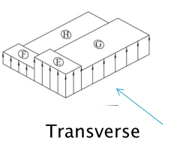
 |  |  | Area, Zone E | 577.6 | ft2
 |  |  | Area, Zone F | 577.6 | ft2
 |  |  | Area, Zone G | 3678.4 | ft2
 |  |  | Area, Zone H | 3678.4 | ft2
 |  |  | Total Roof Area | 8512 | ft2

 | Weighted Uplift Pressure from Transverse Wind Load |  |  | -22.96 | psf

 | 8. UPLIFT PRESSURE (LONGITUDINAL LOADING)

 |  |  | Area, Zone E | 851.2 | ft2
 |  |  | Area, Zone F | 851.2 | ft2
 |  |  | Area, Zone G | 3404.8 | ft2
 |  |  | Area, Zone H | 3404.8 | ft2
 |  |  | Total Roof Area | 8512 | ft2

 | Weighted Uplift Pressure from Longitudinal Wind Load |  |  | -23.49 | psf

 | 9. MAXIMUM UPLIFT PRESSURE

 | Controlling Uplift Pressure |  |  | -23.49 | psf | Largest Absolute Value

Seismic Analysis - Braced
ASSUMPTIONS:

Building Frame System: |  | Eccentrically braced steel frame

 |  |  |  |  | Reference: |  | ASCE | 7-10
 |  |  |  |  | Section |  | Eq/Fig/Table/Notes
1. SEISMIC GROUD MOTION VALUES |  |  |  |  | 11.4

Seismic Site Class: |  | C |  |  | 11.4.2 |  | Soil Properties / Ch. 20
Maximum Considered Earthquake Spectral Response:
 | Ss = | 0.250 |  |  | 11.4.1 |  | Fig | 22-1 / 22-4
 | S1 = | 0.077 |  |  | 11.4.1 |  | Fig | 22-1 / 22-4
Adjusted MCE Spectral Response:
 | Fa = | 1.200 |  |  | 11.4.3 |  | Table | 11.4-1
 | Fv = | 1.700 |  |  | 11.4.3 |  | Table | 11.4-2
 | SMS = FaSs = | 0.300 |  |  | 11.4.3 |  | Eq | 11.4-1
 | SM1 = FvS1 = | 0.131 |  |  | 11.4.3 |  | Eq | 11.4-2
Design Spectral Response Acceleration Parameters:
 | SDS = 2/3 SMS = | 0.2 |  |  | 11.4.4 |  | Eq | 11.4-3
 | SD1 = 2/3 SM1 = | 0.087 |  |  | 11.4.4 |  | Eq | 11.4-4
Design Response Spectrum:
 | TO = 0.2 SD1/SDS = | 0.087 | s |  | 11.4.5
 | TS = SD1/SDS = | 0.436 | s |  | 11.4.5
Long Period Transition TL= |  | 6 | s |  | 11.4.5 |  | Fig | 22-15
 | T = | 0.54 | s |  | Fundamental Period of Structure
 | Sa = if T < TO : SDS(0.4+0.6T/TO) = |  |  |  | 11.4.5 |  | Eq | 11.4-5
 | if TO < T < TS : SDS = |  |  |  | 11.4.5
 | if TS < T < TL : SD1/T = | 0.162 |  |  | 11.4.5 |  | Eq | 11.4-6
 | if T > TL : SD1*TL /T2= |  |  |  | 11.4.5 |  | Eq | 11.4-7

2. IMPORTANCE FACTOR AND OCCUPANCY CATEGORY |  |  |  |  | 11.5

Occupancy Category: |  | II |  |  |  |  | Table | 1-1
Importance Factor: |  | 1 |  |  |  |  | Table | 11.5-1

3. SEISMIC DESIGN CATEGORY |  |  |  |  | 11.6

SDC based on short period: |  | B |  |  |  |  | Table | 11.6-1
SDS based on 1-s period: |  | B |  |  |  |  | Table | 11.6-2
SDC = |  | B |  |  | Maximum from values above

4. EQUIVALENT LATERAL FORCE PROCEDURE |  |  |  |  | 12.8

R = |  | 3.25 |  |  | 12.8.1 |  | Table | 12.2-1
WO = |  | 2 |  |  | 12.8.1 |  | Table | 12.2-1
CD = |  | 3.25 |  |  | 12.8.1 |  | Table | 12.2-1

Approximate Fundamental Period, Ta: |  |  |  |  | 12.8.2.1
 | Ct = | 0.03 |  |  | Dependent on structure |  | Table | 12.8-2
 | x = | 0.75 |  |  |  |  | Table | 12.8-2
 | hn = | 30 | ft |  | Height of heighest level of structure
 | Ta = Cthnx = | 0.385 | s |  | 12.8.2.1 |  | Eq | 12.8-7
Seismic Response Coefficient: |  |  |  |  | 12.8.1.1
 | CScalc = SDS/(R/I) = | 0.062 |  |  |  |  | Eq | 12.8-2
 | CSmax = if T <= TL : SD1/(T*(R/I) = | 0.050 |  |  |  |  | Eq | 12.8-3
 | if T > TL : SD1*TL /(T2*(R/I) = |  |  |  |  |  | Eq | 12.8-4
 | CSmin = | 0.01 |  |  | Revised Sup. 2 |  | Eq | 12.8-5/12.8-6
 | CS = | 0.050
Seismic Base Shear: |  |  |  |  | 12.8.1
 | Seismic Weight W = | 1652 | kip |  | 12.7.2 |  |  | Table Below
Seismic Base Shear V = |  | 82.4 | kip |  | 12.8.1 |  | Eq | 12.8-1

Vertical Distribution of Seismic Forces: |  |  |  |  | 12.8.3
Lateral force per level |  | Fx = CvxV |  |  |  |  | Eq | 12.8-11
 |  | Cvx = (wxhxk)/(S wihik) |  |  | Vertical Distribution Factor
 | k = | 0.94 |  |  | 12.8.3
Horizontal Distribution of Seismic Forces: |  |  |  |  | 12.8.4
 | Vx = S Fi = |  |  |  |  |  | Eq | 12.8-13

Floor | Height | Weight | wxhxk | Cvx | Fx | Vx | Overturning Moment | Total Height
 | (ft) | (kip) |  |  | (kip) | (kip) | (kip.ft) | (ft)
Roof | 15 | 572 | 14090 | 0.504 | 41.5 | 41.5 |  | 30
 |  |  |  |  |  | 41.5 |  | 15
2nd | 15 | 1081 | 13867 | 0.496 | 40.9 | 82.4 | 623 | 15
 |  |  |  |  |  | 82.4 |  | 0
Podium | 0 | 0 | 0 | 0 | 0 | 82.4 | 1859 | 0
SUM | 30 | 1652 | 27957 | 1 | 82.4 | 123.9 |  | 0
 |  |  | Story Shear
ALLOWED DEFLECTIONS |  | 41.5 | 30
hsx | 0.015 | 41.5 | 15
 |  | 82.4 | 15
 |  | 82.4 | 0
 |  | 82.4 | 0
 |  | 123.9 | 0
Overturning Moment
 |  |  | Overturning Moment
ALLOWED DEFLECTIONS |  |  | 30
hsx | 0.015 |  | 15
 |  | 623.01836531 | 15
 |  |  | 0
 |  | 1859.1970204 | 0
 |  |  | 0

Seismic Analysis - Moment
ASSUMPTIONS:

Building Frame System: |  | Steel moment-resisting frame

 |  |  |  |  | Reference: |  | ASCE | 7-10
 |  |  |  |  | Section |  | Eq/Fig/Table/Notes
1. SEISMIC GROUD MOTION VALUES |  |  |  |  | 11.4

Seismic Site Class: |  | C |  |  | 11.4.2 |  | Soil Properties / Ch. 20
Maximum Considered Earthquake Spectral Response:
 | Ss = | 0.250 |  |  | 11.4.1 |  | Fig | 22-1 / 22-4
 | S1 = | 0.077 |  |  | 11.4.1 |  | Fig | 22-1 / 22-4
Adjusted MCE Spectral Response:
 | Fa = | 1.200 |  |  | 11.4.3 |  | Table | 11.4-1
 | Fv = | 1.700 |  |  | 11.4.3 |  | Table | 11.4-2
 | SMS = FaSs = | 0.3 |  |  | 11.4.3 |  | Eq | 11.4-1
 | SM1 = FvS1 = | 0.131 |  |  | 11.4.3 |  | Eq | 11.4-2
Design Spectral Response Acceleration Parameters:
 | SDS = 2/3 SMS = | 0.2 |  |  | 11.4.4 |  | Eq | 11.4-3
 | SD1 = 2/3 SM1 = | 0.087 |  |  | 11.4.4 |  | Eq | 11.4-4
Design Response Spectrum:
 | TO = 0.2 SD1/SDS = | 0.087 | s |  | 11.4.5
 | TS = SD1/SDS = | 0.436 | s |  | 11.4.5
Long Period Transition TL= |  | 6 | s |  | 11.4.5 |  | Fig | 22-15
 | T = | 0.60 | s |  | Fundamental Period of Structure
 | Sa = if T < TO : SDS(0.4+0.6T/TO) = |  |  |  | 11.4.5 |  | Eq | 11.4-5
 | if TO < T < TS : SDS = |  |  |  | 11.4.5
 | if TS < T < TL : SD1/T = | 0.147 |  |  | 11.4.5 |  | Eq | 11.4-6
 | if T > TL : SD1*TL /T2= |  |  |  | 11.4.5 |  | Eq | 11.4-7

2. IMPORTANCE FACTOR AND OCCUPANCY CATEGORY |  |  |  |  | 11.5

Occupancy Category: |  | II |  |  |  |  | Table | 1-1
Importance Factor: |  | 1 |  |  |  |  | Table | 11.5-1

3. SEISMIC DESIGN CATEGORY |  |  |  |  | 11.6

SDC based on short period: |  | B |  |  |  |  | Table | 11.6-1
SDS based on 1-s period: |  | B |  |  |  |  | Table | 11.6-2
SDC = |  | B |  |  | Maximum from values above

4. EQUIVALENT LATERAL FORCE PROCEDURE |  |  |  |  | 12.8

R = |  | 3.5 |  |  | 12.8.1 |  | Table | 12.2-1
WO = |  | 3 |  |  | 12.8.1 |  | Table | 12.2-1
CD = |  | 3 |  |  | 12.8.1 |  | Table | 12.2-1

Approximate Fundamental Period, Ta: |  |  |  |  | 12.8.2.1
 | Ct = | 0.028 |  |  | Dependent on structure |  | Table | 12.8-2
 | x = | 0.8 |  |  |  |  | Table | 12.8-2
 | hn = | 30 | ft |  | Height of heighest level of structure
 | Ta = Cthnx = | 0.425 | s |  | 12.8.2.1 |  | Eq | 12.8-7
Seismic Response Coefficient: |  |  |  |  | 12.8.1.1
 | CScalc = SDS/(R/I) = | 0.057 |  |  |  |  | Eq | 12.8-2
 | CSmax = if T <= TL : SD1/(T*(R/I) = | 0.042 |  |  |  |  | Eq | 12.8-3
 | if T > TL : SD1*TL /(T2*(R/I) = |  |  |  |  |  | Eq | 12.8-4
 | CSmin = | 0.01 |  |  | Revised Sup. 2 |  | Eq | 12.8-5/12.8-6
 | CS = | 0.042 |  |  | Beware of mins and max
Seismic Base Shear: |  |  |  |  | 12.8.1
 | Seismic Weight W = | 1652 | kip |  | 12.7.2 |  |  | Table Below
Seismic Base Shear V = |  | 69.2 | kip |  | 12.8.1 |  | Eq | 12.8-1

Vertical Distribution of Seismic Forces: |  |  |  |  | 12.8.3
Lateral force per level |  | Fx = CvxV |  |  |  |  | Eq | 12.8-11
 |  | Cvx = (wxhxk)/(S wihik) |  |  | Vertical Distribution Factor
 | k = | 0.96 |  |  | 12.8.3
Horizontal Distribution of Seismic Forces: |  |  |  |  | 12.8.4
 | Vx = S Fi = |  |  |  |  |  | Eq | 12.8-13

Floor | Height | Weight | wxhxk | Cvx | Fx | Vx | Overturning Moment | Total Height
 | (ft) | (kip) |  |  | (kip) | (kip) | (kip.ft) | (ft)
Roof | 15 | 572 | 15105 | 0.508 | 35.1 | 35.1 |  | 30
 |  |  |  |  |  | 35.1 |  | 15
2nd | 15 | 1081 | 14656 | 0.492 | 34.1 | 69.2 | 527 | 15
 |  |  |  |  |  | 69.2 |  | 0
Podium | 0 | 0 | 0 | 0 | 0 | 69.2 | 1564 | 0
SUM | 30 | 1652 | 29761 | 1 | 69.2 | 104.3 |  | 0
 |  |  | Story Shear
ALLOWED DEFLECTIONS |  | 35.1 | 30
hsx | 0.015 | 35.1 | 15
 |  | 69.2 | 15
 |  | 69.2 | 0
 |  | 69.2 | 0
 |  | 104.3 | 0
Overturning Moment
 |  |  | Overturning Moment
ALLOWED DEFLECTIONS |  |  | 30
hsx | 0.015 |  | 15
 |  | 526.58169988 | 15
 |  |  | 0
 |  | 1564.1189973 | 0
 |  |  | 0

Braced-Frame (W)
1. MOMENT FRAME INFORMATION

 |  |  |  | Figure 1 - Braced-Frame Member Reference

 |  | Diagonal, D | 39 | ft
 |  | Story Height, H | 15 | ft
 |  | Bay Width, W | 36 | ft
 |  | Fr | 9.78 | kip |  |  | 6.44
 |  | F1 | 19.57 | kip |  |  | 0.00

2.1 MEMBER FORCES DISTRIBUTION

Find Reactions
 |  | Cy= |  | kip | up
 |  | By= | 0.00 | kip | down
 |  | Cx= | -14.68 | kip | west
 |  | Bx= | -14.68 | kip | west
Joint B |  |  |  |  |  |  |  | Joint C
(Fr+F1)/2 |  | V1 | 14.68 | kip |  |  |  | V1 | 14.68 | kip
 |  | FBFy | -6.12 | kip |  |  |  | FGCy | -6.12 | kip | C
Brace Force |  | FBF | 15.90 | kip | T |  |  | FGC | 15.90 | kip | C
Vertical Force |  | FBG | -6.1152 | kip | T |  |  | FFC | -6.12 | kip | C

To solve system:
Moment Equation |  | 15 | FGF | 27.69 | FGK | -36 | FGJ | = | -72.06 | 513.69
Forces in X |  | -1 | FGF | -0.923 | FGK | 0 | FGJ | = | -4.8 | -4.89
Forces in Y |  | 0 | FGF | -0.385 | FGK | 1 | FGJ | = | 4 | -12

Inverse Matrix |  |  |  |  |  |  |  | Solution
 |  | 61.533 | 922 | 2215.2 |  |  |  | FGF | 1.13
 |  | -66.666 | -1000 | -2400.0 |  |  |  | FGK | 3.95
 |  | -25.666 | -385 | -923.0 |  |  |  | FGJ | 5.49

Joint G |  |  |  |  |  |  | Joint F
Brace Force |  | FGK | 3.95 | kip | C |  |  | FFJ | 14.67 | kip | C
Horizontal Force |  | FGF | 1.13 | kip | C |  |  | FGF | 1.13 | kip | C
Vertical Force |  | FGJ | 5.49 | kip | T |  |  | FFK | 1.52 | kip | T

Joint J |  |  |  |  |  |  | Joint K
Brace Force |  | FJF | 14.7 | kip | C |  |  | FGK | 4.0 | kip | C
Horizontal Force |  | FJK | 3.6 | kip | T |  |  | FKJ | 3.6 | kip | T
Vertical Force |  | FJG | 5.49 | kip | T |  |  | FKF | 1.5 | kip | T

3. RESULTS

 | Member | Frame | Floor | Function | Force | T/C | Moment
 | (#) | (type) | (Units) |  | (kip) |  | (kip.ft)
GF | 10 | Braced | First | Beam | 14.67 | C
JK | 13 | Braced | Roof | Beam | 3.65 | T
JF | 15 | Braced | Roof | Brace | 14.67 | C
GK | 16 | Braced | Roof | Brace | 3.95 | C
 |  | Story Shear
ALLOWED DEFLECTIONS |  | 1
hsx | 0.015
BF | 17 | Braced | First | Brace | 15.90 | T
GC | 18 | Braced | First | Brace | 15.90 | C
BG | 3 | Braced | First | Column | -6.12 | T
JG | 4 | Braced | Roof | Column | 5.49 | T
 |  | Story Shear
ALLOWED DEFLECTIONS |  | 1
hsx | 0.015
 |  | Story Shear
ALLOWED DEFLECTIONS |  | 1
hsx | 0.015
CF | 5 | Braced | First | Column | -6.12 | C
KF | 6 | Braced | Roof | Column | 1.52 | T

Braced-Frame (E)
1. MOMENT FRAME INFORMATION

 |  |  | Figure 1 - Braced-Frame Member Reference

 |  | Diagonal, D | 39 | ft
 |  | Story Height, H | 15 | ft
 |  | Bay Width, W | 36 | ft
 |  | Fr | 20.77 | kip
 |  | F1 | 20.44 | kip

2.1 MEMBER FORCES DISTRIBUTION

Find Reactions
 |  | Cy= |  | kip | up
 |  | By= | 0 | kip | down
 |  | Cx= | -20.602977586 | kip | west
 |  | Bx= | -20.602977586 | kip | west
Joint B |  |  |  |  |  |  |  | Joint C
(Fr+F1)/2 |  | V1 | 20.60 | kip |  |  |  | V1 | 20.60 | kip
 |  | FBFy | -8.58 | kip |  |  |  | FGCy | -8.58 | kip | C
Brace Force |  | FBF | 22.32 | kip | T |  |  | FGC | 22.32 | kip | C
Vertical Force |  | FBG | -8.58 | kip | T |  |  | FFC | -8.58 | kip | C

To solve system:
Moment Equation |  | 15 | FGF | 27.69 | FGK | -36 | FGJ | = | 29.1 | 615.63
Forces in X |  | -1 | FGF | -0.923 | FGK | 0 | FGJ | = | -6.25 | 0.16
Forces in Y |  | 0 | FGF | -0.385 | FGK | 1 | FGJ | = | 1.796 | -17.17

Inverse Matrix |  |  |  |  |  |  |  | Solution
 |  | 61.533 | 922 | 2215.2 |  |  |  | FGF | 6.61
 |  | -66.666 | -1000 | -2400.0 |  |  |  | FGK | -0.38
 |  | -25.666 | -385 | -923.0 |  |  |  | FGJ | 1.66

Joint G |  |  |  |  |  |  | Joint F
Brace Force |  | FGK | -0.38 | kip | C |  |  | FFJ | 15.16 | kip | C
Horizontal Force |  | FGF | 6.61 | kip | C |  |  | FGF | 6.61 | kip | C
Vertical Force |  | FGJ | 1.66 | kip | T |  |  | FFK | -0.15 | kip | T

Joint J |  |  |  |  |  |  | Joint K
Brace Force |  | FJF | 15.2 | kip | C |  |  | FGK | -0.4 | kip | C
Horizontal Force |  | FJK | -0.4 | kip | T |  |  | FKJ | -0.4 | kip | T
Vertical Force |  | FJG | 1.66 | kip | T |  |  | FKF | -0.1 | kip | T

3. RESULTS

 | Member | Frame | Floor | Function | Force | T/C | Moment
 | (#) | (type) | (Units) |  | (kip) |  | (kip.ft)
GF | 10 | Braced | First | Beam | 15.16 | C
JK | 13 | Braced | Roof | Beam | -0.35 | T
JF | 15 | Braced | Roof | Brace | 15.16 | C
GK | 16 | Braced | Roof | Brace | -0.38 | C
 |  | Story Shear
ALLOWED DEFLECTIONS |  | 1
hsx | 0.015
BF | 17 | Braced | First | Brace | 22.32 | T
GC | 18 | Braced | First | Brace | 22.32 | C
BG | 3 | Braced | First | Column | -8.58 | T
JG | 4 | Braced | Roof | Column | 1.66 | T
 |  | Story Shear
ALLOWED DEFLECTIONS |  | 1
hsx | 0.015
 |  | Story Shear
ALLOWED DEFLECTIONS |  | 1
hsx | 0.015
 |  | Story Shear
ALLOWED DEFLECTIONS |  | 1
hsx | 0.015
 |  | Story Shear
ALLOWED DEFLECTIONS |  | 1
hsx | 0.015
CF | 5 | Braced | First | Column | -8.58 | C
KF | 6 | Braced | Roof | Column | -0.15 | T

Moment-Frame (W)
1. MOMENT FRAME INFORMATION

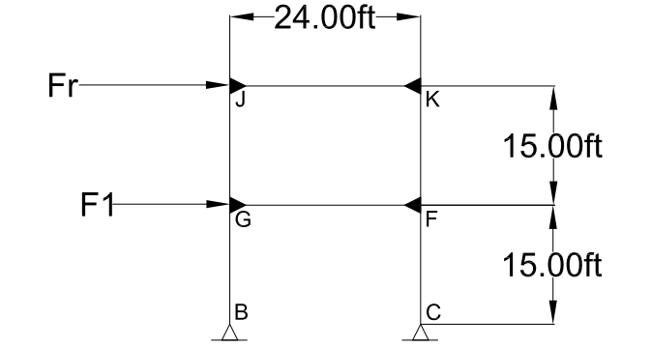
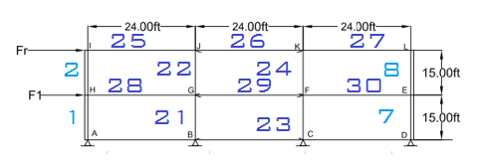

 | Figure 1 - Moment Frame |  |  |  |  |  |  | Figure 2 - Member Reference
 |  | Story Height, H = | 15 | ft
 |  | Bay Width, W = | 24 | ft
 |  | Fr = | 9.78 | kip
 |  | F1 = | 19.57 | kip

2.1 MEMBER FORCES DISTRIBUTION

Compute Shear Forces
åFx=0
 |  | Fr = | 9.78 | kips
 |  | # of shear forces | 2
 |  | V1 = | 4.89 | kips

Compute moments at top of columns
 |  | MJG = | 36.69 | kip*ft
 |  | MKF = | 36.69 | kip*ft

METHOD OF JOINTS:

Joint J |  |  |  |  | Member J-K |  |  |  |  | Joint K
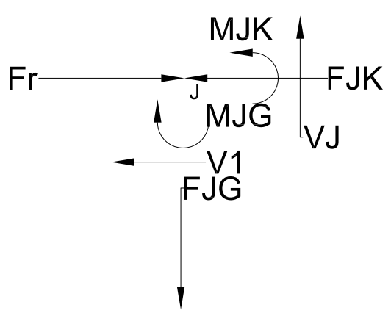
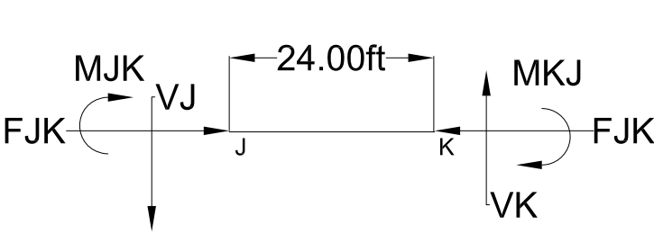
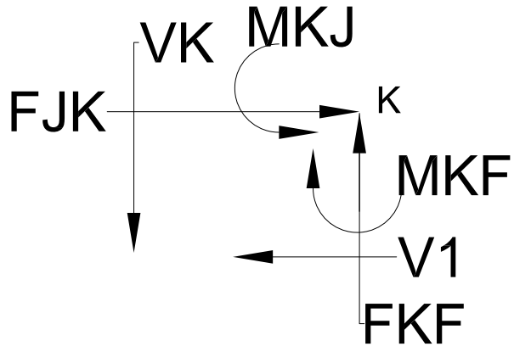

Joint J: |  |  |  |  |  |  | Joint K:
 |  | MJK = | 36.69 | kip*ft |  |  |  | MKJ = | 36.69 | kip*ft
åFx=0 |  | FJK = | 4.89 | kips | C |  |  | FJK = | 4.89 | kips | C
åM/W |  | VJ = | 3.06 | kips |  |  |  | VK = | 3.06 | kips
åFy=0 |  | FJG = | 3.06 | kips | T |  |  | FKF = | 3.06 | kips | C
 |  |  |  |  |  |  |  | MKF = | 36.69 | kips

Section 2

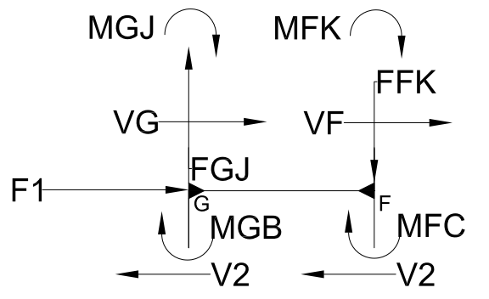

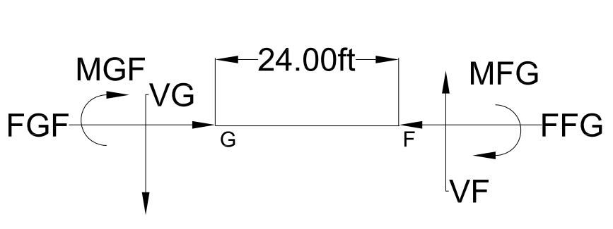
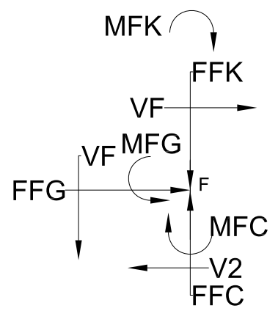
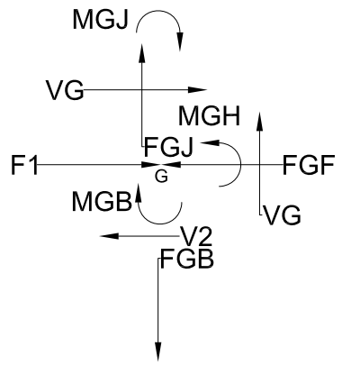

 | Joint G |  |  |  | Member G-F |  |  |  |  | Joint F

Joint G: |  |  |  |  |  |  | Joint F
(F1+FR)/2 |  | V2 = | 14.68 | kips |  |  | (F1+FR)/2 | V2 = | 14.68 | kips
FJG |  | FGJ = | 3.06 | kips | T |  | FKF | FFK = | 3.06 | kips | T
V2*H/2 |  | MGB = | 110.0736 | kip*ft |  |  | V2*H/2 | MFC = | 110.1 | kip*ft
(MJG) |  | MGJ = | 36.69 | kip*ft |  |  | MKF | MFK = | 36.69 | kip*ft
(FJG) |  | FGJ = | 3.06 | kips |  |  | FKF | FFK = | 3.06 | kips
åFx=0 |  | FGF = | 4.89 | kips | C |  | FGF | FFG = | 4.89 | kips | C
åM |  | MGF = | 146.76 | kip*ft |  |  | åM | MFG = | 146.76 | kip*ft
åM/W |  | VG = | 12.2304 | kips |  |  | åM/W | VG = | 12.23 | kips
åFy=0 |  | FGB = | 15.29 | kips |  |  | åFy=0 | FFC = | 15.29 | kips

3. RESULTS

 | Member | Frame | Floor | Function | Force | T/C | Moment
 | (#) | (type) | (Units) |  | (kip) |  | (kip.ft)
GF | 29 | Moment | First | Beam | 4.89 | C | 146.76
JK | 26 | Moment | Roof | Beam | 4.89 | C | 36.69
BG | 21 | Moment | First | Column | 15.29 | T | 110.07
 |  | Story Shear
ALLOWED DEFLECTIONS |  | 1
hsx | 0.015
CF | 23 | Moment | First | Column | 15.29 | C | 110.07
JG | 22 | Moment | Roof | Column | 4.89 | T | 36.69
KF | 24 | Moment | Roof | Column | 4.89 | C | 36.69

Moment-Frame (E)
1. MOMENT FRAME INFORMATION

 | Figure 1 - Moment Frame |  |  |  |  |  |  | Figure 2 - Member Reference
 |  | Story Height, H = | 15 | ft
 |  | Bay Width, W = | 24 | ft
 |  | Fr = | 17.55 | kip
 |  | F1 = | 17.03 | kip

2.1 MEMBER FORCES DISTRIBUTION

Compute Shear Forces
åFx=0
 |  | Fr = | 17.55 | kips
 |  | # of shear forces | 2
 |  | V1 = | 8.78 | kips

Compute moments at top of columns
 |  | MJG = | 65.82 | kip*ft
 |  | MKF = | 65.82 | kip*ft

METHOD OF JOINTS:

Joint J |  |  |  |  | Member J-K |  |  |  |  | Joint K

Joint J: |  |  |  |  |  |  | Joint K:
 |  | MJK = | 65.82 | kip*ft |  |  |  | MKJ = | 65.82 | kip*ft
åFx=0 |  | FJK = | 8.78 | kips | C |  |  | FJK = | 8.78 | kips |  | C
åM/W |  | VJ = | 5.49 | kips |  |  |  | VK = | 5.49 | kips
åFy=0 |  | FJG = | 5.49 | kips | T |  |  | FKF = | 5.49 | kips |  | C
 |  |  |  |  |  |  |  | MKF = | 65.82 | kips

Section 2

 | Joint G |  |  |  | Member G-F |  |  |  |  | Joint F

Joint G: |  |  |  |  |  |  | Joint F
(F1+FR)/2 |  | V2 = | 7.9 | kips |  |  | (F1+FR)/2 | V2 = | 7.9 | kips
FJG |  | FGJ = | 5.49 | kips | T |  | FKF | FFK = | 5.5 | kips | C
V2*H/2 |  | MGB = | 59.4375 | kip*ft |  |  | V2*H/2 | MFC = | 59.4 | kip*ft
(MJG) |  | MGJ = | 65.82 | kip*ft |  |  | MKF | MFK = | 65.8 | kip*ft
(FJG) |  | FGJ = | 5.49 | kips |  |  | FKF | FFK = | 5.49 | kips
åFx=0 |  | FGF = | 9.11 | kips | T |  | FGF | FFG = | 9.11 | kips | T
åM |  | MGF = | 125.3 | kip*ft |  |  | åM | MFG = | 125.3 | kip*ft
åM/W |  | VG = | 10.4 | kips |  |  | åM/W | VG = | 10.4 | kips
åFy=0 |  | FGB = | 15.9 | kips |  |  | åFy=0 | FFC = | 15.9 | kips

3. RESULTS

 | Member | Frame | Floor | Function | Force | T/C | Moment
 | (#) | (type) | (Units) |  | (kip) |  | (kip.ft)
GF | 29 | Moment | First | Beam | 9.11 | T | 125.26
JK | 26 | Moment | Roof | Beam | 8.78 | C | 65.82
BG | 21 | Moment | First | Column | 15.92 | T | 59.44
 |  | Story Shear
ALLOWED DEFLECTIONS |  | 1
hsx | 0.015
 |  | Story Shear
ALLOWED DEFLECTIONS |  | 1
hsx | 0.015
CF | 23 | Moment | First | Column | 15.92 | C | 59.44
JG | 22 | Moment | Roof | Column | 9.11 | T | 65.82
 |  | Story Shear
ALLOWED DEFLECTIONS |  | 1
hsx | 0.015
KF | 24 | Moment | Roof | Column | 9.11 | C | 65.82

